Bugs Report
 | Hishabee Business- Bugs

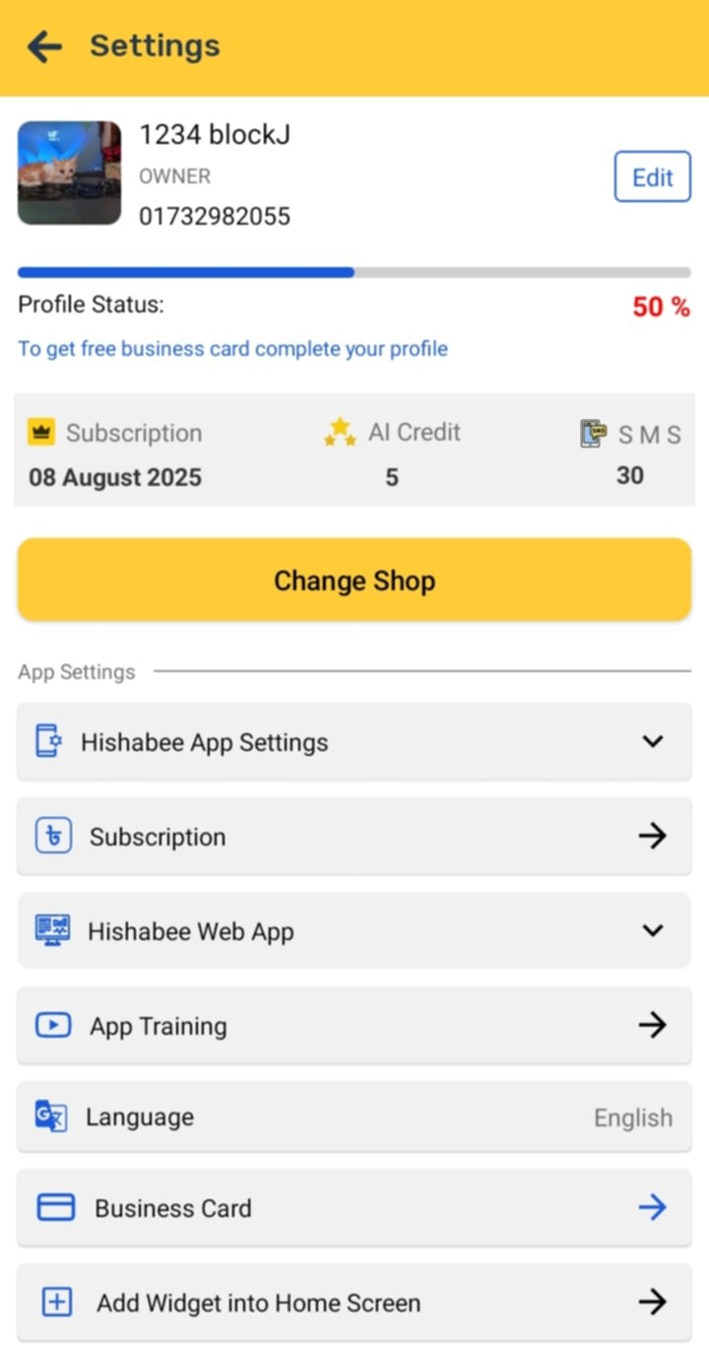
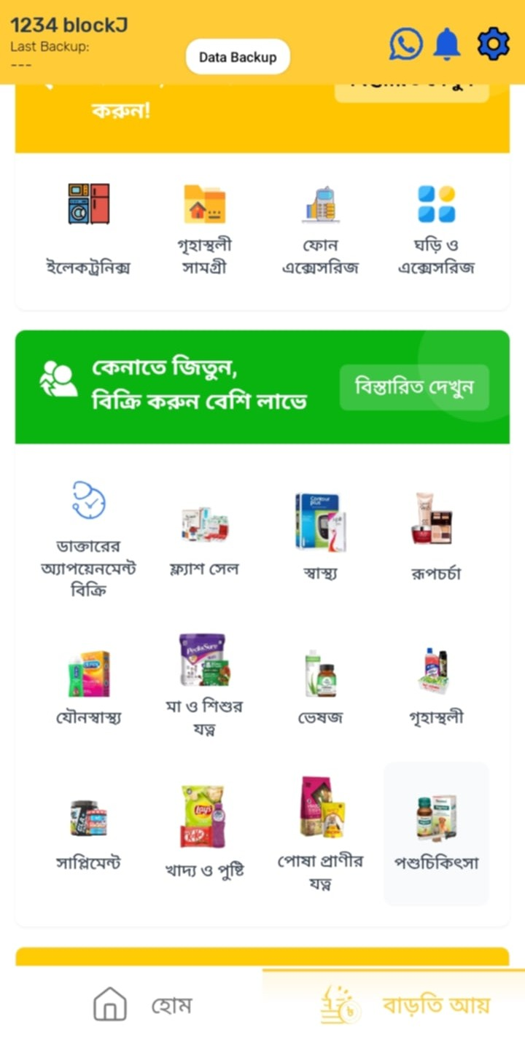
Bug ID | BUG_001 | Screenshots | Screenshots
Title | Incomplete English Language Switch
Module/Screen | Settings > Language
Steps to Reproduce | 1. Go to Settings 2. Select "English" 3. Navigate through app
Expected Behavior | The entire app should switch to English
Actual Behavior | Some parts of the app remain in Bangla
Severity | Medium

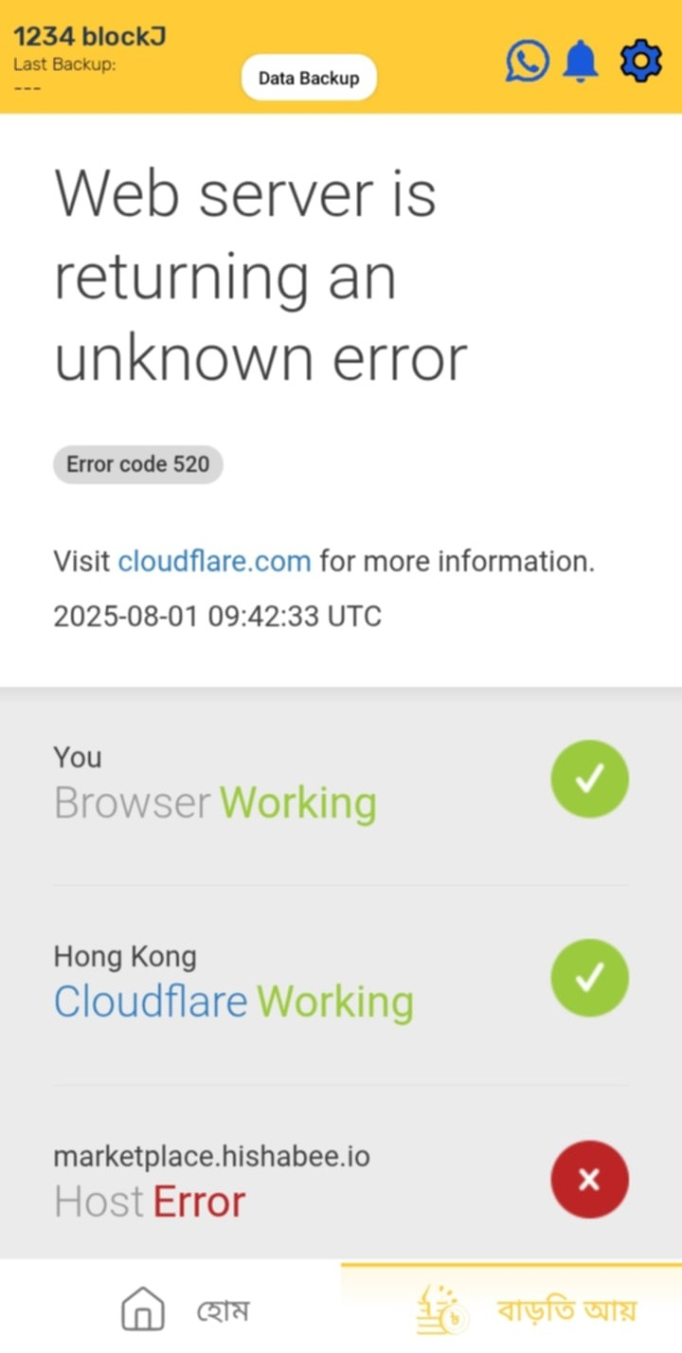
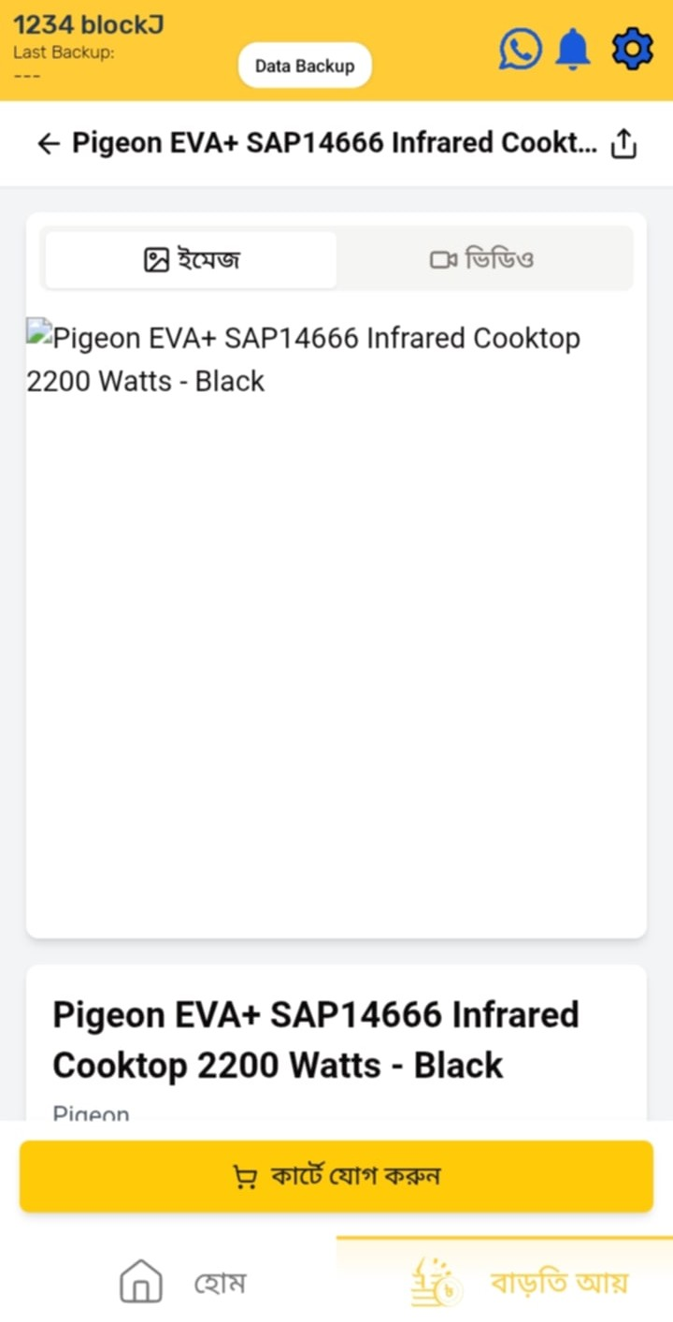
Bug ID | BUG_002 | Screenshots | Screenshots
Title | “বাড়তি আয় ” loads slowly or shows error
Module/Screen | বাড়তি আয় section
Steps to Reproduce | 1. Tap “বাড়তি আয় ” option 2. Wait for it to load
Expected Behavior | The section should load smoothly with data
Actual Behavior | Loads slowly, sometimes Shows error: “Web server returning an unknown error”;
Severity | High

Bug ID | BUG_003
Title | No Exit Confirmation
Module/Screen | App Exit (Back Button)
Steps to Reproduce | 1. From Home screen, press the device back button
Expected Behavior | A prompt should appear: “Are you sure you want to exit?”
Actual Behavior | The app exits immediately without showing any confirmation
Severity | Medium

